CSC101
Primary Major | Computer Science |  | Total Credits at SFSU |  | 74
Other Major(s) |  |  | Units transfer to SFSU |  | 0
Minor(s)
Your name

 | Camille Bradford is a new CS student starting at SFSU this Fall semester. Camille works between 10-15 hrs a week.
 | Freshman Year
 | Spring 2024 |  | Fall 2024 |  |  | Summer 2024
 | Course | Units | Course | Units |  | Course | Units
 | CSC101 | 3 | CSC 215 | 4
 | MATH 226 | 4 | MATH 227 | 4
 | GE | 3 | PHYS 220 | 3
 | GE | 3 | PHYS 222 | 1
 |  |  | GE | 3

 | Total Semester Credits | 13 | Total Semester Credits | 15 |  | Total Semester Credits | 0
 | CS programCredits | 7 | CS programCredits | 12 |  | CS programCredits | 0
 |  |  |  |  |  | Optional:
 |  |  |  |  |  | Summer Classes: Please consult with both UAC and CS advisors to determine best courses to take
 |  |  |  |  |  | especially if planning to take units at a Community College

 | Sophomore Year
 | Spring 2025 |  | Fall 2025 |  |  | Summer 2025
 | Course | Units | Course | Units |  | Course | Units
 | CSC230 | 3 | CSC 256 | 3
 | Math225 (summer class: optional) | 3 | CSC340 | 3
 | PHYS 230 | 3 | Math 324 | 3
 | PHYS 232 | 1 | GE | 3
 | CSC220 | 3 | GE | 3
 | GE | 3

 | Total Semester Credits | 16 | Total Semester Credits | 15 |  | Total Semester Credits | 0
 | CS programCredits | 13 | CS programCredits | 9 |  | CS programCredits | 0

 | Junior Year
 | Spring 2026 |  | Fall 2026 |  |  | Summer 2026
 | Course | Units | Course | Units |  | Course | Units
 | CSC 317 | 3 | CSC 413 | 3 |  |  |  | units
 | CSC 300 | 3 | CSC 415 | 3 |  |  |  | 3 | units
 | CSC510 | 3 | CS Elective #1 | 3 |  |  |  | 3 | 3
 | GE | 3 | GE | 3 |  |  |  | 4 | 3
 | GE | 3 |  |  |  |  |  | 3 | 3
 |  |  |  |  |  |  |  | 3 | 3
 |  |  |  |  |  |  |  |  | 3

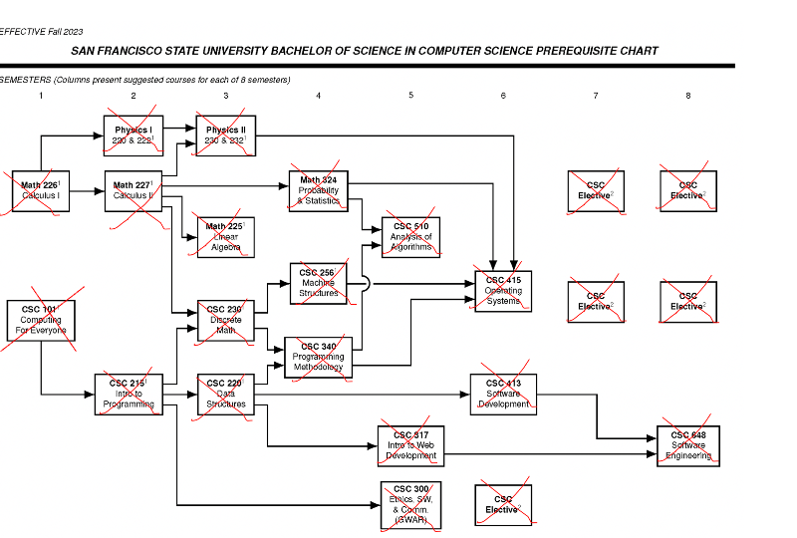
 | Total Semester Credits | 15 | Total Semester Credits | 12 |  | Total Semester Credits | 0
 | CS programCredits | 9 | CS programCredits | 9

 | Senior Year
 | Spring 2027 |  | Fall 2028
 | Course | Units | Course | Units
 | CSC 648 | 3 | CS Elective #4 | 3
 | CS Elective #2 | 3 | CS Elective #5 | 3
 | CS Elective #3 | 3 | GE | 3
 | GE | 3 | GE | 3

 | Total Semester Credits | 12 | Total Semester Credits | 12
 | CS programCredits | 9 | CS programCredits | 6

Resources
Undergraduate Advising Center | https://advising.sfsu.edu/
DPR guide | https://registrar.sfsu.edu/dprguide
Computer Science RoadMap | https://bulletin.sfsu.edu/colleges/science-engineering/computer-science/bs-computer-science/roadmap-i-ii-eng/
Pre-requisite Chart | https://cs.sfsu.edu/undergrads/prerequisite-chart
Computer Science (B.S.) | https://bulletin.sfsu.edu/colleges/science-engineering/computer-science/bs-computer-science/#degreerequirementstext
Computer Science Courses | https://bulletin.sfsu.edu/courses/csc/
Math course descriptions | https://bulletin.sfsu.edu/courses/math/
Physics course descriptions | https://bulletin.sfsu.edu/courses/phys/

Tutoring and Academic Support Center (TASC) | https://tutoring.sfsu.edu/
financial aid | https://financialaid.sfsu.edu/
Food Security | https://basicneeds.sfsu.edu/food-security

CSC215
Primary Major | Computer Science |  | Total Credits at SFSU |  | 74
Other Major(s) |  |  | Units transfer to SFSU |  | 0
Minor(s) |  |  |  |  | 74
Your name

 | Michelle Sanchez is a CS student starting at SFSU this Fall semester. Michelle took a CSC101-equivalent class at City College of San Francisco. Michelle works between 10-15 hrs a week.
 | Freshman Year
 | Fall 2023 |  | Spring 2024 |  |  | Summer 2024
 | Course | Units | Course | Units |  | Course | Units
 | CSC101 | 3 | CSC 215 | 4
 | MATH 226 | 4 | MATH 227 | 4
 | GE | 3 | PHYS 220 | 3
 | GE | 3 | PHYS 222 | 1
 |  |  | GE | 3

 | Total Semester Credits | 13 | Total Semester Credits | 15 |  | Total Semester Credits | 0
 | CS programCredits | 7 | CS programCredits | 12 |  | CS programCredits | 0
 |  |  |  |  |  | Optional:
 |  |  |  |  |  | Summer Classes: Please consult with both UAC and CS advisors to determine best courses to take
 |  |  |  |  |  | especially if planning to take units at a Community College

 | Sophomore Year
 | Fall 2024 |  | Spring 2025 |  |  | Summer 2025
 | Course | Units | Course | Units |  | Course | Units
 | CSC220 | 3 | CSC 256 | 3
 | Math225 (summer class:optional) | 3 | CSC340 | 3
 | PHYS 230 | 3 | Math 324 | 3
 | PHYS 232 | 1 | GE | 3
 | CSC 230 | 3 | GE | 3
 | GE | 3

 | Total Semester Credits | 16 | Total Semester Credits | 15 |  | Total Semester Credits | 0
 | CS programCredits | 13 | CS programCredits | 9 |  | CS programCredits | 0

 | Junior Year
 | Fall 2025 |  | Spring 2026 |  |  | Summer 2026
 | Course | Units | Course | Units |  | Course | Units
 | CSC 317 | 3 | CSC 413 | 3 |  |  |  | units
 | CSC 300 | 3 | CSC 415 | 3 |  |  |  | 3 | units
 | CSC510 | 3 | CS Elective #1 | 3 |  |  |  | 3 | 3
 | GE | 3 | GE | 3 |  |  |  | 4 | 3
 | GE | 3 |  |  |  |  |  | 3 | 3
 |  |  |  |  |  |  |  | 3 | 3
 |  |  |  |  |  |  |  |  | 3

 | Total Semester Credits | 15 | Total Semester Credits | 12 |  | Total Semester Credits | 0
 | CS programCredits | 9 | CS programCredits | 9

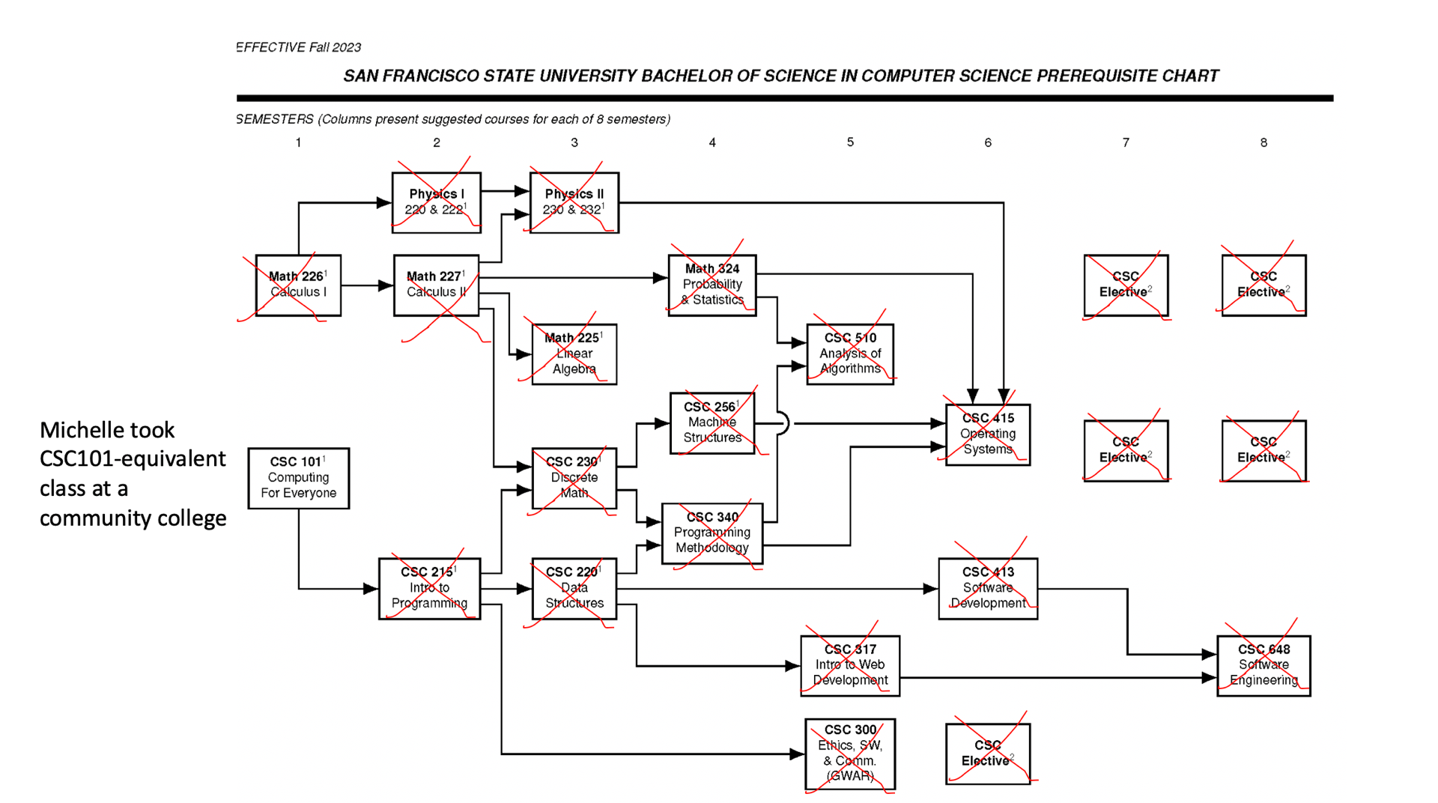

 | Senior Year
 | Fall 2027 |  | Spring 2028
 | Course | Units | Course | Units
 | CSC 648 | 3 | CS Elective #4 | 3
 | CS Elective #2 | 3 | CS Elective #5 | 3
 | CS Elective #3 | 3 | GE | 3
 | GE | 3 | GE | 3

 | Total Semester Credits | 12 | Total Semester Credits | 12
 | CS programCredits | 9 | CS programCredits | 6

Resources
Undergraduate Advising Center | https://advising.sfsu.edu/
DPR guide | https://registrar.sfsu.edu/dprguide
Computer Science RoadMap | https://bulletin.sfsu.edu/colleges/science-engineering/computer-science/bs-computer-science/roadmap-i-ii-eng/
Pre-requisite Chart | https://cs.sfsu.edu/undergrads/prerequisite-chart
Computer Science (B.S.) | https://bulletin.sfsu.edu/colleges/science-engineering/computer-science/bs-computer-science/#degreerequirementstext
Computer Science Courses | https://bulletin.sfsu.edu/courses/csc/
Math course descriptions | https://bulletin.sfsu.edu/courses/math/
Physics course descriptions | https://bulletin.sfsu.edu/courses/phys/

Tutoring and Academic Support Center (TASC) | https://tutoring.sfsu.edu/
financial aid | https://financialaid.sfsu.edu/
Food Security | https://basicneeds.sfsu.edu/food-security

